SCHEMATIC
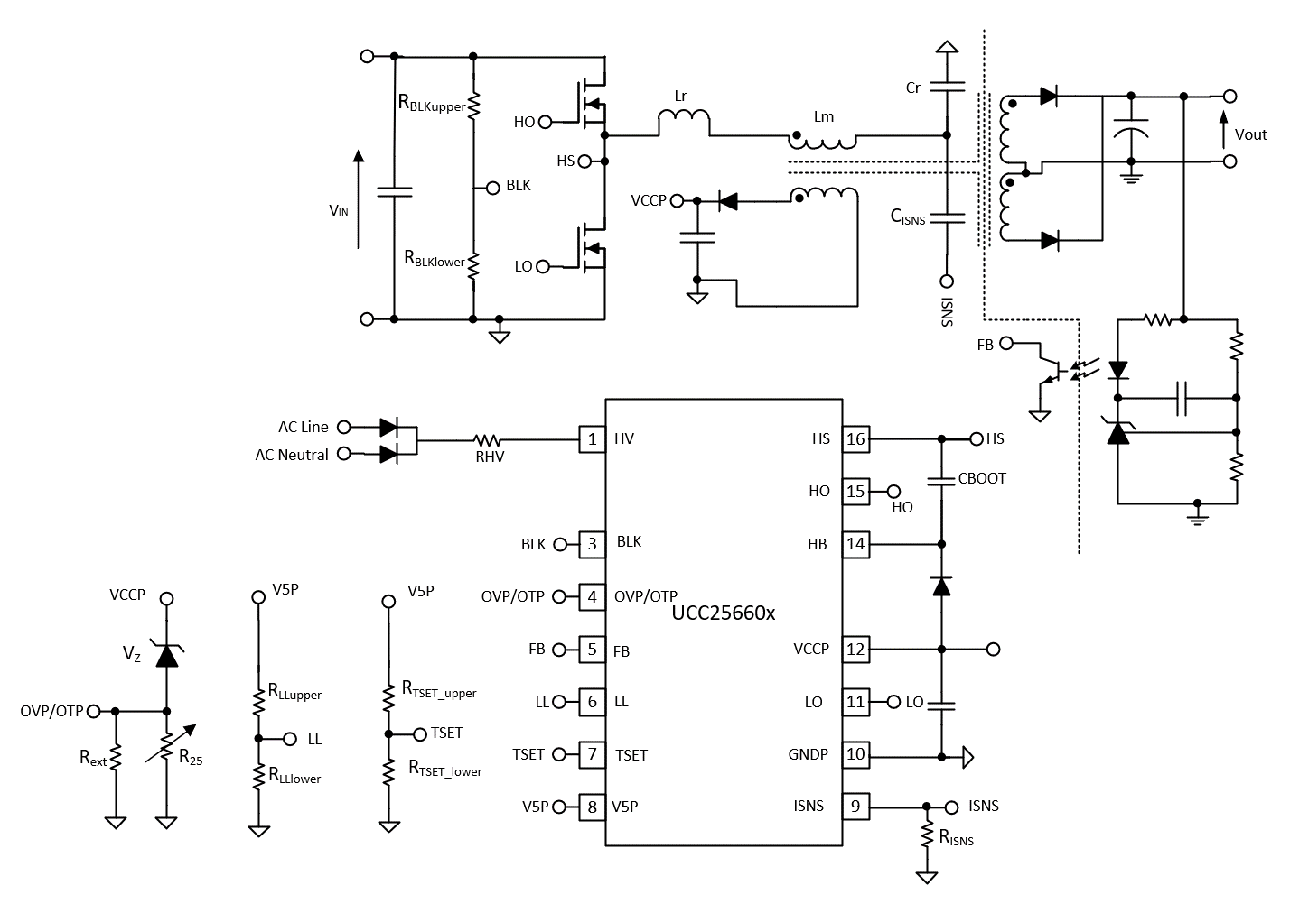

RefDes | Value | Unit
RBLKupper | 1.15 | MΩ
RBLKlower | 18 | kΩ
CISNS | 150 | pF
RISNS | 500 | Ω
Lr | 1.126 | uH
Lm | 6 | uH
Cr | 1 | uF
RLLupper | 301.00 | KΩ
RLLlower | 225.00 | KΩ
RTSET_upper | 572.00 | KΩ
RTSET_lower | 99.00 | KΩ
VZ | 18.00 | V
R25 | 470.00 | KΩ
RT/R25 | 0.035263
Rext | 15.00 | KΩ

Transformer Models
Power stage Gain Calcuation for discrete Lr
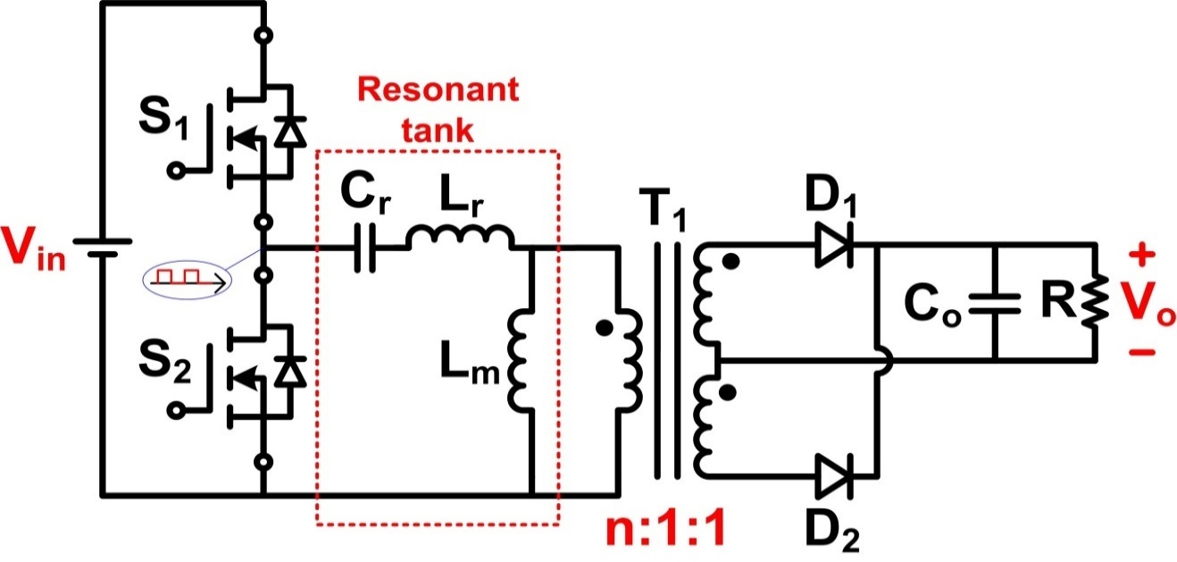

Power Stage Gain Calculation for Integrated Leakge
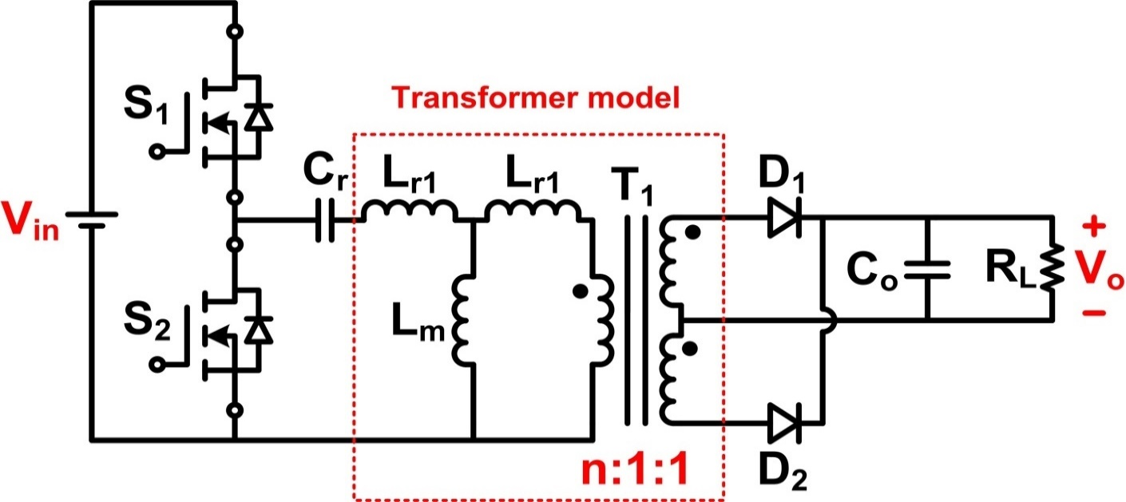
$$L_{p}=L_{r1}+L_{m}$$

$$L_{LK}=L_{p}×\left(1−k^{2}\right)$$

$$L_{r1}=L_{p}×\left(1−k\right)$$

NOTE: LLK is the primary inductance with the secondary windings completely shorted

DESIGN INPUTS AND CALCULATIONS
UCC25661x DESIGN CALCULATOR TOOL
TI Literature Number: | Version: Original
UCC25661x Enhanced LLC Resonant Controller
Please enter design parameters into the | shaded | cells;
Recommended Component Values will be in RED
Be sure to ENABLE EDITING before attempting to use this design calculator
This spreadsheet guides the user through the design process of an LLC resonant DC/DC CONVERTER using the UCC25661x. User interaction is required in order to get the best possible results. Enter the desired specification where prompted, the highlighted cells are for user inputs; calculations for the design are based upon the inputs.

WHERE APPLICABLE, A RECOMMENDED VALUE IS GIVEN THAT WILL BE THE BEST CHOICE TO MEET THE GIVEN SPECIFICATION. IT IS IN THE BEST INTEREST OF THE USER TO USE A VALUE AS CLOSE AS POSSIBLE TO THE SUGGESTED RECOMMENDED VALUE. FOR ACCURATE RESULTS, THE USER MUST ENTER THE ACTUAL VALUE USED IN THE APPROPRIATE CELL.

Disclaimer
This product is designed as an aid for customers of Texas Instruments. No warranties, either expressed or implied, with respect to this software or its fitness for any particular purpose, are claimed by Texas Instruments or the author. The software is licensed solely on an "as is" basis. The entire risk as to its quality and performance is with the customer.

Select Which Device You Are Using |  | UCC256612 |  | Refer datasheet for the difference of UCC25661x devices

OUTPUT
Output Voltage | VOUT | 13.4 | V | Enter required nominal output voltage of converter
Maximum Output Power | POUT | 670 | W | Enter required maximum converter output power in Watts
Full Load Output Current | IOUT | 50 | A
Maximum Output Voltage Ripple | VOUT(pk-pk) | 200 | mV | Enter the desired maximum output voltage ripple
Target Efficiency | h | 0.97 |  | Enter the Overall Efficiency here

INPUT
Nominal Input Voltage | VBLK | 108 | V | Enter the nominal input voltage
Maximum DC Input Voltage | VBLK(max) | 125 | V | Enter the maximum input voltage
Minimum DC Input Voltage | VBLK(hu) | 75 | V | Enter the minimum input voltage

LLC STAGE
Nominal LLC Switching Frequency | fLLC | 150 | kHz | Enter desired nominal LLC switching frequency
LLC Transformer
Recommended Primary/Secondary Turns Ratio | NPS(recommended) | 4.0298507463
Actual Primary/Secondary Turns Ratio | NPS | 4.03 |  | Enter Actual Primary/Secondary Turns Ratio
Recommended Primary/Bias Turns Ratio | NPB(recommended) | 3.60
Actual Primary/Bias Turns Ratio | NPB | 3.60 |  | Enter Actual Primary/Bias Turns Ratio
LLC Effective Load Resistance at 110% Full Load | RE | 3.2 | Ω
LLC Effective Load Resistance at Full Load | RE(full load) | 3.5 | Ω
LLC Gain Range
Minimum LLC Gain | MG(min) | 0.896
Maximum LLC Gain Including Losses | MG(max) | 1.537
Predicted Voltage Drop Due to Losses | VLOSS | 0.400 | V | Enter the predicted voltage drop due to conversion losses in circuit
Select LN and QE
From the figure on the right, MG(peak) Vs QE with respect to LN, select a point on an Ln curve that has an Ln and QE point that corresponds to an Attainable MG(PEAK) value that is greater than MG(max). Enter the selected values in the LN and QE cells below.
For example, if MG(max), calculated above and shown by the horizontal line, was calculated to be 1.4, then using Ln = 5 and QE = 0.35 would result in an attainable MG(PEAK) = 1.52 (interpolated from Ln = 5 curve) which satisfies the requirement that the Attainable MG(PEAK) > MG(max)

MG(peak) Vs QE with respect to LN
 | Ln = 2 | Ln = 2.5 | Ln = 3 | Ln = 3.5 | Ln = 4 | Ln = 4.5 | Ln = 5 | Ln = 6 | Ln = 7 | Ln = 8 | Ln = 9 | Mg_max
1.50E-01 | 5.81E+00 | 5.03E+00 | 4.47E+00 | 4.09E+00 | 3.76E+00 | 3.51E+00 | 3.32E+00 | 3.00E+00 | 2.75E+00 | 2.56E+00 | 2.41E+00
2.50E-01 | 3.53E+00 | 3.06E+00 | 2.74E+00 | 2.50E+00 | 2.32E+00 | 2.17E+00 | 2.05E+00 | 1.86E+00 | 1.72E+00 | 1.61E+00 | 1.53E+00
3.50E-01 | 2.57E+00 | 2.24E+00 | 2.01E+00 | 1.85E+00 | 1.72E+00 | 1.62E+00 | 1.54E+00 | 1.41E+00 | 1.32E+00 | 1.25E+00 | 1.20E+00
4.50E-01 | 2.05E+00 | 1.80E+00 | 1.63E+00 | 1.50E+00 | 1.41E+00 | 1.34E+00 | 1.28E+00 | 1.19E+00 | 1.14E+00 | 1.10E+00 | 1.07E+00
5.50E-01 | 1.73E+00 | 1.53E+00 | 1.40E+00 | 1.31E+00 | 1.24E+00 | 1.19E+00 | 1.15E+00 | 1.09E+00 | 1.06E+00 | 1.04E+00 | 1.03E+00
6.50E-01 | 1.52E+00 | 1.36E+00 | 1.26E+00 | 1.19E+00 | 1.14E+00 | 1.11E+00 | 1.08E+00 | 1.05E+00 | 1.04E+00 | 1.03E+00 | 1.02E+00
7.50E-01 | 1.38E+00 | 1.25E+00 | 1.17E+00 | 1.12E+00 | 1.09E+00 | 1.07E+00 | 1.05E+00 | 1.03E+00 | 1.02E+00 | 1.02E+00 | 1.01E+00
8.50E-01 | 1.28E+00 | 1.18E+00 | 1.12E+00 | 1.09E+00 | 1.06E+00 | 1.05E+00 | 1.04E+00 | 1.02E+00 | 1.02E+00 | 1.01E+00 | 1.01E+00
9.50E-01 | 1.21E+00 | 1.13E+00 | 1.09E+00 | 1.06E+00 | 1.05E+00 | 1.04E+00 | 1.03E+00 | 1.02E+00 | 1.01E+00 | 1.01E+00 | 1.01E+00
1.05E+00 | 1.16E+00 | 1.10E+00 | 1.07E+00 | 1.05E+00 | 1.04E+00 | 1.03E+00 | 1.02E+00 | 1.01E+00 | 1.01E+00 | 1.01E+00 | 1.01E+00
1.15E+00 | 1.13E+00 | 1.08E+00 | 1.05E+00 | 1.04E+00 | 1.03E+00 | 1.02E+00 | 1.02E+00 | 1.01E+00 | 1.01E+00 | 1.01E+00 | 1.01E+00
1.25E+00 | 1.11E+00 | 1.07E+00 | 1.04E+00 | 1.03E+00 | 1.02E+00 | 1.02E+00 | 1.01E+00 | 1.01E+00 | 1.01E+00 | 1.01E+00 | 1.00E+00
1.35E+00 | 1.09E+00 | 1.05E+00 | 1.04E+00 | 1.03E+00 | 1.02E+00 | 1.02E+00 | 1.01E+00 | 1.01E+00 | 1.01E+00 | 1.00E+00 | 1.00E+00
1.45E+00 | 1.07E+00 | 1.05E+00 | 1.03E+00 | 1.02E+00 | 1.02E+00 | 1.01E+00 | 1.01E+00 | 1.01E+00 | 1.01E+00 | 1.00E+00 | 1.00E+00
1.55E+00 | 1.06E+00 | 1.04E+00 | 1.03E+00 | 1.02E+00 | 1.01E+00 | 1.01E+00 | 1.01E+00 | 1.01E+00 | 1.00E+00 | 1.00E+00 | 1.00E+00
Selected Primary Inductance Ratio | LN(selected) | 5.33
Selected Quality Factor for Resonant Network | QE(selected) | 0.30
Gain Required at No-Load | MG(noload) | 0.842
The selected LN and QE values should result in an LLC Gain Curve, shown below, that intersects with the MG(min) and MG(max) traces. The Gain curve from an overload condition is also plotted, showing the minimum gain at maximum frequency.

LLC Gain Curve with the Selected LN and QE
 | Full Load Gain Curve |  | Mg(max) |  | Mg(min) |  | No Load Gain Curve
0.00 | 0.00 | 0.00 | 1.54 | 0.00 | 0.90 | 0.00 | 0.00
0.05 | 0.01 | 0.05 | 1.54 | 0.05 | 0.90 | 0.05 | 0.01
0.10 | 0.05 | 0.10 | 1.54 | 0.10 | 0.90 | 0.10 | 0.05
0.15 | 0.12 | 0.15 | 1.54 | 0.15 | 0.90 | 0.15 | 0.12
0.20 | 0.22 | 0.20 | 1.54 | 0.20 | 0.90 | 0.20 | 0.24
0.25 | 0.39 | 0.25 | 1.54 | 0.25 | 0.90 | 0.25 | 0.44
0.30 | 0.63 | 0.30 | 1.54 | 0.30 | 0.90 | 0.30 | 0.81
0.35 | 0.96 | 0.35 | 1.54 | 0.35 | 0.90 | 0.35 | 1.63
0.40 | 1.37 | 0.40 | 1.54 | 0.40 | 0.90 | 0.40 | 4.80
0.45 | 1.68 |  |  |  |  | 0.45 | 14.58
0.50 | 1.76 |  |  |  |  | 0.50 | 3.75
0.55 | 1.69 | 0.45 | 1.54 | 0.45 | 0.90 | 0.55 | 2.42
0.60 | 1.58 | 0.50 | 1.54 | 0.50 | 0.90 | 0.60 | 1.91
0.65 | 1.47 |  |  |  |  | 0.65 | 1.64
0.70 | 1.38 |  |  |  |  | 0.70 | 1.47
0.75 | 1.31 | 0.55 | 1.54 | 0.55 | 0.90 | 0.75 | 1.36
0.80 | 1.26 | 0.60 | 1.54 | 0.60 | 0.90 | 0.80 | 1.28
0.85 | 1.21 | 0.65 | 1.54 | 0.65 | 0.90 | 0.85 | 1.22
0.90 | 1.17 | 0.70 | 1.54 | 0.70 | 0.90 | 0.90 | 1.18
0.95 | 1.14 | 0.75 | 1.54 | 0.75 | 0.90 | 0.95 | 1.14
1.00 | 1.11 | 0.80 | 1.54 | 0.80 | 0.90 | 1.00 | 1.11
1.05 | 1.09 | 0.85 | 1.54 | 0.85 | 0.90 | 1.05 | 1.09
1.10 | 1.07 | 0.90 | 1.54 | 0.90 | 0.90 | 1.10 | 1.07
1.15 | 1.05 | 0.95 | 1.54 | 0.95 | 0.90 | 1.15 | 1.05
1.20 | 1.03 | 1.00 | 1.54 | 1.00 | 0.90 | 1.20 | 1.04
1.25 | 1.01 | 1.05 | 1.54 | 1.05 | 0.90 | 1.25 | 1.02
1.30 | 1.00 | 1.10 | 1.54 | 1.10 | 0.90 | 1.30 | 1.01
1.35 | 0.98 | 1.15 | 1.54 | 1.15 | 0.90 | 1.35 | 1.00
1.40 | 0.97 | 1.20 | 1.54 | 1.20 | 0.90 | 1.40 | 1.00
1.45 | 0.96 | 1.25 | 1.54 | 1.25 | 0.90 | 1.45 | 0.99
1.50 | 0.95 | 1.30 | 1.54 | 1.30 | 0.90 | 1.50 | 0.98
1.55 | 0.94 | 1.35 | 1.54 | 1.35 | 0.90 | 1.55 | 0.98
1.60 | 0.93 | 1.40 | 1.54 | 1.40 | 0.90 | 1.60 | 0.97
1.65 | 0.92 | 1.45 | 1.54 | 1.45 | 0.90 | 1.65 | 0.97
1.70 | 0.91 | 1.50 | 1.54 | 1.50 | 0.90 | 1.70 | 0.96
1.75 | 0.90 | 1.55 | 1.54 | 1.55 | 0.90 | 1.75 | 0.96
1.80 | 0.89 | 1.60 | 1.54 | 1.60 | 0.90 | 1.80 | 0.96
1.85 | 0.88 | 1.65 | 1.54 | 1.65 | 0.90 | 1.85 | 0.95
1.90 | 0.87 | 1.70 | 1.54 | 1.70 | 0.90 | 1.90 | 0.95
1.95 | 0.86 | 1.75 | 1.54 | 1.75 | 0.90 | 1.95 | 0.95
2.00 | 0.85 | 1.80 | 1.54 | 1.80 | 0.90 | 2.00 | 0.94
2.05 | 0.85 | 1.85 | 1.54 | 1.85 | 0.90 | 2.05 | 0.94
2.10 | 0.84 | 1.90 | 1.54 | 1.90 | 0.90 | 2.10 | 0.94
2.15 | 0.83 | 1.95 | 1.54 | 1.95 | 0.90 | 2.15 | 0.94
2.20 | 0.82 | 2.00 | 1.54 | 2.00 | 0.90 | 2.20 | 0.94
2.25 | 0.81 | 2.05 | 1.54 | 2.05 | 0.90 | 2.25 | 0.94
2.30 | 0.81 | 2.10 | 1.54 | 2.10 | 0.90 | 2.30 | 0.93
2.35 | 0.80 | 2.15 | 1.54 | 2.15 | 0.90 | 2.35 | 0.93
2.40 | 0.79 | 2.20 | 1.54 | 2.20 | 0.90 | 2.40 | 0.93
2.45 | 0.78 | 2.25 | 1.54 | 2.25 | 0.90 | 2.45 | 0.93
...

Parameters of the LLC Resonant Circuit
Discrete resonant inductor or transformer leakage inductance used for LR? |  | Integrated Leakage
Transformer Coupling Coefficient | k | 0.9 |  | Enter the coupling coefficient between primary and secondary. Note most common transformer packages have coefficients between 0.85 to 0.9. It is advised to discuss the details of the transformer design with your magnetics vendor
Recommended Resonant Capacitor Value | CR(recommended) | 1.000 | uF
Actual Total Value of Resonant Capacitor Used | CR | 1.0000 | uF | Enter actual value of Resonant Capacitor used
Recommended Leakage Inductance Value | LLK(recommended) | 1.126 | uH
Actual Leakage Inductance Value Used | LLK | 1.126 | uH | Enter the actual value of the leakage inductance value used
Primary Inductance based on Coupling Coefficient | LP | 6 | uH
Actual Transformer Magnetizing Inductance Used |  | 6 | uH | Copy the number in cell C96 to C97 for compensation calculator and magnetizing current calculation
Resultant Series Resonant Frequency | f0 | 150.0 | kHz
No Load Resonant Frequency | fP | 59.9 | kHz
Resultant Inductance Ratio | LN | 5.33 |  | Ignore this row
Resultant Quality Factor at Full Load | QE | 0.30 |  | Re-enter this value in the QE(selected) cell above to see the actual normalized frequency at MG(max) and MG(min)
Gain Curve Graph Up to Date? |  | CAUTION. Update Cells C56 and C57 with new Ln and Qe
fN at MG(max) | fN(Mg_max) | 0.6 |  | Enter fN value at the second intersection of the MG(max) line and LLC Gain Curve shown in figure above
fN at MG(min) | fN(Mg_min) | 1.75 |  | Enter fN value at the second intersection of the MG(min) line and LLC Gain Curve shown in figure above
Maximum Switching Frequency | fSW(max) | 262.5 | kHz
Minimum Switching Frequency | fSW(min) | 90.0 | kHz
LLC Primary Side Currents
Primary Side RMS Load Current | IOE | 15.159 | A
RMS Magnetizing Current at fSW(min) | IM | 14.331 | A
Total Current in Resonant Circuit | IR | 20.860 | A

LLC Secondary Side Currents
Secondary RMS Current | IOE(S) | 61.090 | A
Current in Each Center Tapped Winding | IWS | 43.197 | A

LLC Resonant Inductor
Terminal AC Voltage Across Resonant Inductor | VLr | 13.281 | V
Inductance | LR | 1.126 | uH
Rated Current | IR | 20.860 | A

LLC Resonant Capacitor
AC Voltage Across Resonant Capacitor | VCR | 36.9 | V
RMS Voltage Across Resonant Capacitor | VCR(rms) | 72.6 | V
Peak Voltage AC Voltage Rating for Resonant Capacitor | VCR(peak) | 114.7 | V
Valley Voltage on Resonant Capacitor | VCr(valley) | 10.3 | V
Rated Current of Resonant Capacitor | IR | 20.860 | A
If Using Split Resonant Capacitors
Value of EACH Resonant Capacitor If Using Split Resonant Capacitors | CR(split) | 0.500 | uF

LLC Primary Side MOSFETs
Minimum Voltage Rating of LLC MOSFETs | VQLLC(peak) | 187.5 | V
RMS Current Rating of LLC MOSFETs | IQLLC | 22.947 | A

LLC Output Rectifier Diodes/Synchronous rectifiers
Minimum Voltage Rating for LLC Output Diodes | VDB | 37.221 | V
Minimum Current Rating for LLC Output Diodes | ISAV | 27.500 | A

LLC Output Capacitors, COUT
Rectifier's full wave output current | IRECT | 55.536 | A
COUT Minimum Voltage Rating | VLLCcap | 20 | V
COUT RMS Ripple Current Rating at resonant frequency | IC(out) | 24.171 | A | Use a combination of Capacitors that will meet this ripple current rating
COUT Maximum ESR | ESRmax | 2.546 | mΩ

BLK
BLK Pin Stop Threshold | VBLKstop | 1.00 | V
BLK Pin Start Hysteresis | VBLKstarthys | 0.10 | V
BLK Pin Current Sink | IBLKsink | 5.00 | uA
Desired Bulk Start Voltage | VBLKStart | 75 | V
Nominal Bulk Voltage | VBLK | 108 | V
Resistor Divider Power Consumption Budget | PBLKsns | 10 | mW | Enter the desired power consumption for resistor divider
Total BLK Sense Resistor Value | RBLKsns | 1.1664 | MΩ
Recommended Lower BLK Sense Resistor Value | RBLKlower | 18.52 | kΩ
Actual Lower BLK Sense Resistor Value | RBLKlower | 18 | kΩ | Enter the actual value of the lower BLK sense resistor used
Recommended Upper BLK Sense Resistor Value | RBLKupper | 1.15 | MΩ
Actual Upper BLK Sense Resistor Value | RBLKupper | 1.15 | MΩ | Enter the actual value of the upper BLK sense resistor used
Actual BLK pin voltage corresponding to maximum input voltage |  | 1.926 | V
Calcualted BLK pin voltage below 5 V for the specified input voltage range? |  | Yes
Actual Bulk Start Voltage | VBLKStart | 77 | V
Actual Bulk Stop Voltage | VBLKstop | 65 | V
Actual BLK divider power consumption | PBLKsns | 9.986 | mW

TSET
TSET Gain Set by Diff Voltage Calculation |  | Yes |  | TSET Gain Set by Diff Voltage Calculation option is enabled - use option 2 for calculating TSET resistor values
Option 1 ( "TSET Gain Set by Diff Voltage Calculation" option is disabled)
Select TSET option corresponding to required minimum fsw | Option # | 4 |  | Select TSET option as per the expected minimum frequency from dropdown list
Select OCP limit [V] | OCP1_Threshold | 3.5 | V | Select OCP threshold from dropdown list
Nominal TSET Pin Voltage for the above selected TSET option # | VTSET | 0.742 | V
Recommended TSET Pin Upper Resistance Value | RTSET_upper | 1000.00 | kΩ
Recommended TSET Pin Lower Resistance Value | RTSET_lower | 174.00 | kΩ
Actual TSET Pin Upper Resistance Value | RTSET_upper | 1000.0 | kΩ | Enter the selected TSET pin upper resistance value
Actual TSET Pin Lower Resistance Value | RTSET_lower | 147 | kΩ | Enter the selected TSET pin lower resistance value
Actual TSET Pin Voltage | VTSET | 0.641 | V | Maximum and minimum range that can be used for each TSET setting is within +/- 48mV of nominal value.
Selected TSET pin voltage in the specified range? |  | CAUTION: No, choose different resistor values
Integrator time constant for the above selected TSET option # | RVCR * CVCR | 587.82 | ns
RRAMP for the above selected TSET option # | RRAMP | 3600 | kΩ
Timer gain constant for the above selected TSET option # | kT | 1.6465 | 1/s
Option 2 ( "TSET Gain Set by Diff Voltage Calculation" option is enabled)
Select TSET option corresponding to required minimum fsw | Option # | 4 |  | Select TSET option as per the expected minimum frequency from dropdown list
OCP limit [V] | OCP1_Threshold | 3.5 | V
Nominal TSET Pin Voltage for the above selected TSET option # | VTSETB | 0.742 | V
Select TSET option based on intergrator time constant | Option # | 5 |  | Select TSET option as per the expected integrator time constant from dropdown list
Nominal Diff Voltage for the above selected TSET options # (TSETA - TSETB) | VTSETA - VTSETB | 0.850 | V
Recommended TSET Pin Upper Resistance Value | RTSET_upper | 572.78 | kΩ
Recommended TSET Pin Lower Resistance Value | RTSET_lower | 99.81 | kΩ
Actual TSET Pin Upper Resistance Value | RTSET_upper | 572.0 | kΩ | Enter the selected TSET pin upper resistance value
Actual TSET Pin Lower Resistance Value | RTSET_lower | 99 | kΩ | Enter the selected TSET pin lower resistance value
Actual TSET Pin Voltage | VTSETB | 0.738 | V | Maximum and minimum range that can be used for each TSET setting is within +/- 48mV of nominal value.
Selected TSET pin voltage in the specified range? |  | Yes
Actual TSET Pin Diff Voltage | VTSETA - VTSETB | 0.844 | V | Maximum and minimum range that can be used for each TSET setting is within +/- 48mV of nominal value.
Selected TSET pin Diff voltage in the specified range? |  | Yes
Integrator time constant for the above selected TSET option # | RVCR * CVCR | 490.53 | ns
RRAMP for the above selected TSET option # | RRAMP | 3600 | kΩ
Timer gain constant for the above selected TSET option # | kT | 1.6465 | 1/s
VFB Replica vs PIN
 | VFB vs PIN
20.72 | 2.14
55.26 | 2.24
89.79 | 2.34
124.33 | 2.44
158.87 | 2.54
193.40 | 2.63
227.94 | 2.73
262.47 | 2.83
297.01 | 2.93
331.55 | 3.03
366.08 | 3.13
400.62 | 3.23
435.15 | 3.33
469.69 | 3.42
504.23 | 3.52
538.76 | 3.62
573.30 | 3.72
607.84 | 3.82
642.37 | 3.92
676.91 | 4.02
690.72 | 4.06

ISNS
Peak Resonant Current at Full Load | Ires(peak) | 29.51 | A
Selected OCP limit [V] | OCP1_Threshold | 3.50 | V
Select a Current Sense Capacitor | CISNS | 150 | pF | Enter the current sense capacitor value
Recommended Current Sense Resistor | RISNS | < 790.8 | Ω | ISNS Resistor should be below this value. Actual value of resistor will be depending on the VFB vs Pin curve given in TSET section
Actual Current Sense Resistor | RISNS | 500 | Ω | Enter the actual current sense resistor value. We recommend you to use maximum 70% of the recommended RISNS . RISNS can be reduced/ finetuned to shape Vfbreplica vs Pin curve and to avoid OCP at startup/ load transient from no load to full load. Note - The value should be chosen such that, at rated power, the VFBreplica should be below VFBOPP

LL
Select the difference in voltage between VLLA and VLLB | (VLLA-VLLB) | 1.391 | V | Select the difference in voltage between VLLA and VLLB from drop down list;If the difference is more than 2.41V,Burst mode is disabled
HFBurstEntry to VLLB ratio for the selected difference in voltage between VLLA and VLLB | HFBurstEntry/VLLB | 1.818 | V
LFBurstEntry to VLLB ratio | LFBurstEntry/VLLB | 1.667 | V | Select the LFBurstEntry to VLLB ratio from drop down list; Default option is 1.667V
LL pin Voltage | VLLB | 2.14 | V | Enter the desired voltage at the LL pin
Recommended LL pin Upper Resistance Value | RLLupper | 301.6 | kΩ
Recommended LL pin Lower Resistance Value | RLLlower | 225.7 | kΩ
Actual LL pin Upper Resistance Value | RLLupper | 301 | kΩ | Enter the actual LL pin upper resistance value
Actual LL pin Lower Resistance Value | RLLlower | 225 | kΩ | Enter the actual LL pin lower resistance value
Actual LL pin voltage | VLLB | 2.139 | V
Actual VLLA voltage | VLLA | 3.426 | V
Actual difference in voltage between VLLA and VLLB | (VLLA-VLLB) | 1.288 | V
Actual difference in voltage between VLLA and VLLB in the acceptable range? |  | Yes
Actual HFBurstEntry threshold | HFBurstEntry | 3.888 | V | Note: These HF and LF burst entry values tells that if the VFB Replica falls below these thresholds system will enter the burst mode, the exit thresholds are higher than the entry thresholds and those are calculated internally.
Actual LFBurstEntry threshold | LFBurstEntry | 3.565 | V

OVP/OTP
Desired OVP Threshold Percentage of Nominal Vout | ƞOVP | 130 | % | Enter the OVP threshold (percentage)
OVP Threshold Adjustment to Account for Rectifying Element, Transformer Leakage, Resistive Losses In Power Stage, etc. | VDrop | 1 | V | Enter estimation for voltage drop within power stage (rectifying element, resistive losses, transformer leakage, etc).
Bias Winding Nominal Voltage | VBiasWindingNom | 16.1 | V
OVP Threshold | VOVPpos | 3.5 | V
Recommended zener diode voltage for over voltage protection | VZ | 17.1 | V
Actual zener diode voltage used | VZ | 18 | V | Enter the actual zener diode voltage rating
Actual output voltage at which OVP will be triggered | Vout_OVP | 18.205955335 | V
Actual OVP Threshold Percentage of Nominal Vout | ƞOVP | 136 | %
OTP Threshold | VOTPNeg | 0.8 | V
OVP/OTP pin sourcing current | IOVP_OTP | 100.0 | uA
Desired over temperature protection limit in degC | T | 85 | degC | Enter the desired over temperature protection limit in degC
NTC resistance ratio for the above desired temperature limit to room temperature | RT/R25 | 0.035263 |  | Enter the (RT/R25) ratio from the selected thermistor datasheet. Refer application section from UCC25661x datasheet.
OVP/OTP pin voltage at room temperature |  | 1.4 | V | Enter a value between 0.8 to 3.5 V to avoid fault triggering
Selected OVP/OTP pin voltage at room temperature in the specified range? |  | Yes
Thermistor resistance at room temperature | R25 | 510.7 | kΩ
External resistor value that is in parallel with the thermistor | Rext | 14.4 | kΩ
Actual Thermistor resistance at room temperature | R25 | 470 | kΩ | Enter the actual Thermistor resistance at room temperature
Actual External resistor value that is in parallel with the thermistor | Rext | 15 | kΩ | Enter the actual External resistor value that is in parallel with the thermistor
Actual OVP/OTP pin voltage at room temperature |  | 1.454 | V
Selected OVP/OTP pin voltage at room temperature in the specified range? |  | Yes
Actual OVP/OTP pin voltage at selected over temperature protection limit (T) |  | 0.787 | V
Selected OVP/OTP pin voltage at room temperature in the specified range? |  | Yes

